MPOP_by_Geo_Service
Variable Name | Sample Data | Explanation | https://data.cms.gov/resources/medicare-physician-other-practitioners-by-geography-and-service-data-dictionary
Rndrng_Prvdr_Geo_Lvl | National State | A value of 'State' indicates the data in the row is aggregated to a single state identified in the Rendering Provider State column for a given HCPCS Code Level. A value of 'National' indicates the data in the row is aggregated across all states for a given HCPCS Code Level.
Rndrng_Prvdr_Geo_Cd | 35 | FIPS code of the referring provider state. This variable is blank when reported at the national level.
Rndrng_Prvdr_Geo_Desc | New Mexico | The state name where the provider is located, as reported in NPPES. The values include the 50 United States, District of Columbia, U.S. territories, Armed Forces areas, Unknown and Foreign Country. Data aggregated at the National level are identified by the word 'National'.
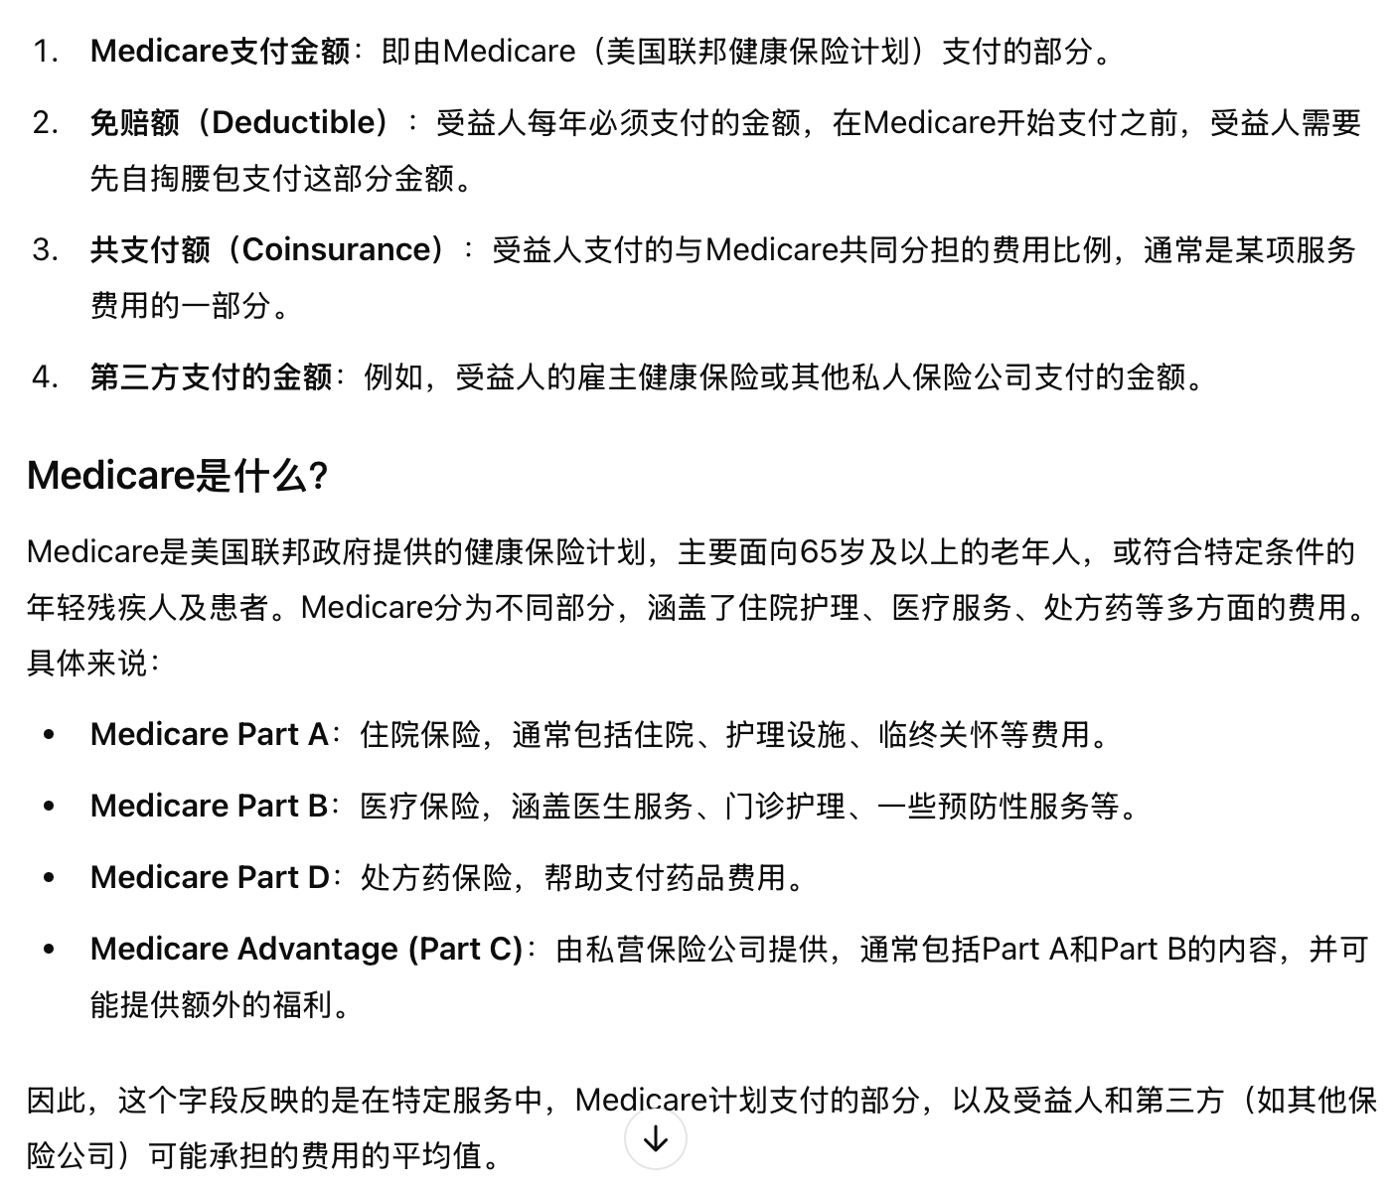
HCPCS_Cd | J9355 | HCPCS代码用于识别提供者所提供的特定医疗服务。HCPCS代码分为两个级别。 第一级代码是由美国医学会（AMA）维护的当前程序术语（CPT）代码； 第二级代码由CMS（医疗保险和医疗补助服务中心）创建，用于识别CPT代码未涵盖的产品、用品和服务（如救护车服务）。 CPT代码、描述及其他数据版权归2016年美国医学会所有，保留所有权利。CPT是美国医学会（AMA）的注册商标。请查看在访问数据时向用户展示的完整CMS AMA CPT许可协议。有关HCPCS代码的更多信息，请访问HCPCS常规信息页面。
HCPCS_Desc | Vincristine sulfate, 1 mg | HCPCS代码描述用于提供者所提供的特定医疗服务。与CPT代码相关的HCPCS描述是美国医学会（AMA）提供的面向消费者的描述。CPT消费者友好描述是CPT代码描述的通俗同义词，旨在帮助非医疗专业人士的医疗消费者理解账单和患者门户上的临床程序。CPT消费者友好描述不应用于临床编码或文档记录。所有其他描述为CMS（医疗保险和医疗补助服务中心）提供的II级描述，以长格式呈现。由于长度限制，CMS II级描述已截断至256字节。因此，相同的HCPCS描述可能会与多个HCPCS代码关联。有关完整的CMS II级描述，请访问HCPCS发布代码集页面。
HCPCS_Drug_Ind | Y | 标识提供者所提供的特定服务的HCPCS代码是否在Medicare B部分药品平均销售价格（ASP）文件中列出
Place_Of_Srvc | O | Identifies whether the place of service submitted on the claims is a facility (value of ‘F’) or non-facility (value of ‘O’). Non-facility is generally an office setting; however other entities are included in non-facility
Tot_Rndrng_Prvdrs | 14 | Number of providers within HCPCS code and place of service.
Tot_Srvcs | 11 | Number of services provided; note that the metrics used to count the number provided can vary from service to service.
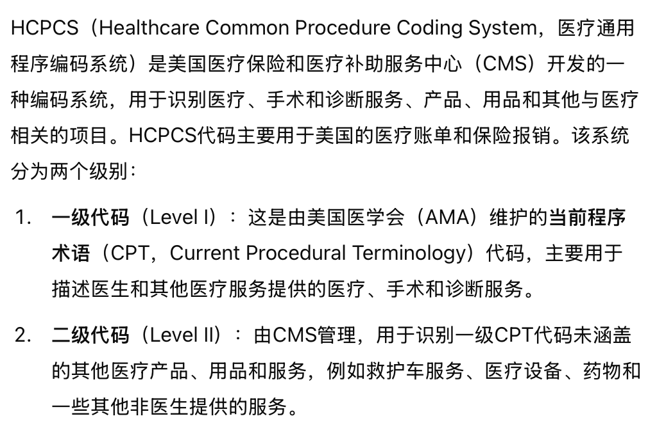
Tot_Benes | 16,333 | 每个Rndrng_Prvdr_Geo_Desc和HCPCS_Cd、Place_Of_Srvc组合中接受服务的不同Medicare受益人数量。
Tot_Bene_Day_Srvcs | 63 | 每位Medicare受益人每天接受的独立服务数量。由于某位受益人可能在同一天接受多次相同类型的服务（例如单个或多个心脏支架），该指标通过消除行服务计数中的重复计算来识别是否发生了独立的服务。
Avg_Sbmtd_Chrg | $57.77 | Average of the charges that providers submit for the service.
Avg_Mdcr_Alowd_Amt | $34.31 | Average of the Medicare allowed amount for the service. Medicare allowed amounts includes the amount Medicare pays, the deductible and coinsurance amounts that the beneficiary is responsible for paying, and any amounts that a third party is responsible for paying.
Avg_Mdcr_Pymt_Amt | $27.38 | Average amount that Medicare paid after deductible and coinsurance amounts have been deducted for the line item service.
Avg_Mdcr_Stdzd_Amt | $27.09 | 在扣除受益人的免赔额和共支付额后，以及在应用Medicare支付标准化处理后，Medicare为该项服务支付的平均金额。标准化消除了各个地区在支付率上的差异，例如考虑到当地工资或输入价格的差异，从而使得不同地区的Medicare支付金额具有可比性，使得这些差异反映了如医生的实践模式、受益人获取护理的能力和意愿等因素的变化。有关Medicare支付标准化的更多信息，请参阅《地理差异公共使用文件：标准化技术补充》。

MPOP_by_Provider_Service
Variable Name | Sample Data | Explanation
Rndrng_NPI | 1003000126 | National Provider Identifier (NPI) for the rendering provider on the claim. The provider NPI is the numeric identifier registered in NPPES.
Rndrng_Prvdr_Last_Org_Name | Enkeshafi | When the provider is registered in NPPES as an individual (entity type code=’I’), this is the provider’s last name. When the provider is registered as an organization (entity type code = ‘O’), this is the organization name.
Rndrng_Prvdr_First_Name | Ardalan | When the provider is registered in NPPES as an individual (entity type code=’I’), this is the provider’s first name. When the provider is registered as an organization (entity type code = ‘O’), this will be blank.
Rndrng_Prvdr_MI | L | When the provider is registered in NPPES as an individual (entity type code=’I’), this is the provider’s middle initial. When the provider is registered as an organization (entity type code = ‘O’), this will be blank.
Rndrng_Prvdr_Crdntls | M.D. | When the provider is registered in NPPES as an individual (entity type code=’I’), these are the provider’s credentials. When the provider is registered as an organization (entity type code = ‘O’), this will be blank.
Rndrng_Prvdr_Gndr | M | When the provider is registered in NPPES as an individual (entity type code=’I’), this is the provider’s gender. When the provider is registered as an organization (entity type code = ‘O’), this will be blank.
Rndrng_Prvdr_Ent_Cd | I | Type of entity reported in NPPES. An entity code of ‘I’ identifies providers registered as individuals and an entity type code of ‘O’ identifies providers registered as organizations.
Rndrng_Prvdr_St1 | 2650 Ridge Ave | The first line of the provider’s street address, as reported in NPPES.
Rndrng_Prvdr_St2 | Evanston Hospital | The second line of the provider’s street address, as reported in NPPES.
Rndrng_Prvdr_City | Evanston | The city where the provider is located, as reported in NPPES.
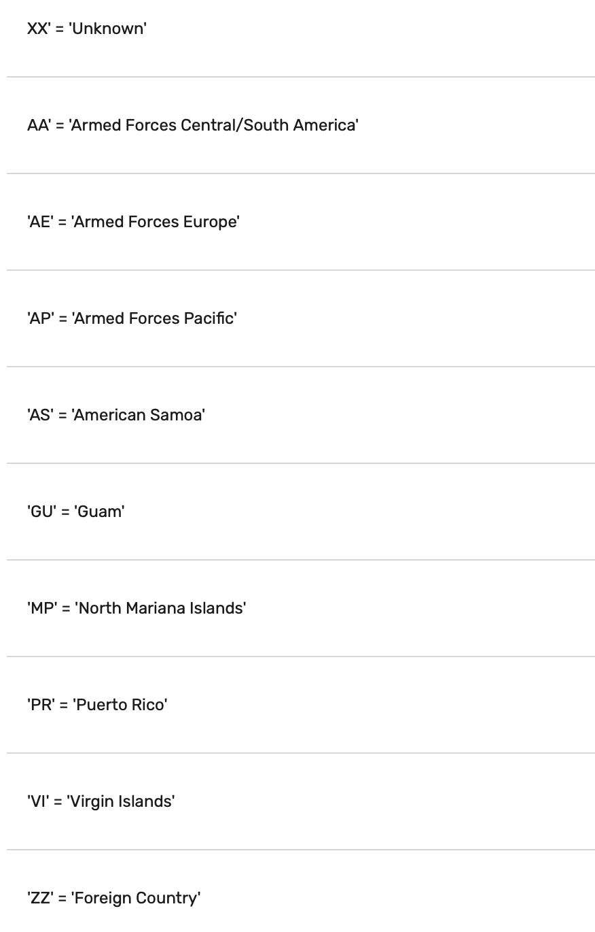
Rndrng_Prvdr_State_Abrvtn | IL | The state where the provider is located, as reported in NPPES. The fifty U.S. states and the District of Columbia are reported by the state postal abbreviation. The following values are used for all other areas:
Rndrng_Prvdr_State_FIPS | 17 | FIPS code for rendering provider's state.
Rndrng_Prvdr_Zip5 | 20817
Rndrng_Prvdr_RUCA | 1 | Rural-Urban Commuting Area Codes (RUCAs), are a Census tract-based classification scheme that utilizes the standard Bureau of Census Urbanized Area and Urban Cluster definitions in combination with work commuting information to characterize all of the nation's Census tracts regarding their rural and urban status and relationships. The Referring Provider ZIP code was cross walked to the United States Department of Agriculture (USDA) 2010 Rural-Urban Commuting Area Codes.
Rndrng_Prvdr_RUCA_Desc | Metropolitan area core: primary flow within an urbanized area of 50,000 and greater | Description of Rural-Urban Commuting Area (RUCA) Code
Rndrng_Prvdr_Cntry | US | The country where the provider is located, as reported in NPPES. The country code will be ‘US’ for any state or U.S. possession. For foreign countries (i.e., state values of ‘ZZ’), the provider country values include the following:
Rndrng_Prvdr_Type | Internal Medicine | Derived from the provider specialty code reported on the claim. For providers that reported more than one specialty code on their claims, this is the specialty code associated with the largest number of services.
Rndrng_Prvdr_Mdcr_Prtcptg_Ind | Y | 标识提供者是否参与Medicare计划和/或接受Medicare允许的金额分配。如果该提供者在特定的HCPCS代码和服务场所内有至少一项声明表明其参与Medicare或接受Medicare允许的金额分配，则此值为“Y”。一个非参与的提供者可以选择接受某些服务的Medicare允许金额，而不接受其他服务的Medicare允许金额。
HCPCS_Cd | J9355 | HCPCS代码用于识别提供者所提供的特定医疗服务。HCPCS代码分为两个级别。 第一级代码是由美国医学会（AMA）维护的当前程序术语（CPT）代码； 第二级代码由CMS（医疗保险和医疗补助服务中心）创建，用于识别CPT代码未涵盖的产品、用品和服务（如救护车服务）。 CPT代码、描述及其他数据版权归2016年美国医学会所有，保留所有权利。CPT是美国医学会（AMA）的注册商标。请查看在访问数据时向用户展示的完整CMS AMA CPT许可协议。有关HCPCS代码的更多信息，请访问HCPCS常规信息页面。
HCPCS_Desc | Vincristine sulfate, 1 mg | HCPCS代码描述用于提供者所提供的特定医疗服务。与CPT代码相关的HCPCS描述是美国医学会（AMA）提供的面向消费者的描述。CPT消费者友好描述是CPT代码描述的通俗同义词，旨在帮助非医疗专业人士的医疗消费者理解账单和患者门户上的临床程序。CPT消费者友好描述不应用于临床编码或文档记录。所有其他描述为CMS（医疗保险和医疗补助服务中心）提供的II级描述，以长格式呈现。由于长度限制，CMS II级描述已截断至256字节。因此，相同的HCPCS描述可能会与多个HCPCS代码关联。有关完整的CMS II级描述，请访问HCPCS发布代码集页面。
HCPCS_Drug_Ind | Y | 标识提供者所提供的特定服务的HCPCS代码是否在Medicare B部分药品平均销售价格（ASP）文件中列出
Place_Of_Srvc | O | Identifies whether the place of service submitted on the claims is a facility (value of ‘F’) or non-facility (value of ‘O’). Non-facility is generally an office setting; however other entities are included in non-facility
Tot_Benes | 16,333 | 每个Rndrng_Prvdr_Geo_Desc和HCPCS_Cd、Place_Of_Srvc组合中接受服务的不同Medicare受益人数量。
Tot_Srvcs | 11 | Number of services provided; note that the metrics used to count the number provided can vary from service to service.
Tot_Bene_Day_Srvcs | 44 | Number of distinct Medicare beneficiary/per day services. Since a given beneficiary may receive multiple services of the same type (e.g., single vs. multiple cardiac stents) on a single day, this metric removes double-counting from the line service count to identify whether a unique service occurred.
Avg_Sbmtd_Chrg | $288.93 | Average of the charges that the provider submitted for the service.
Avg_Mdcr_Alowd_Amt | $76.93 | Average of the Medicare allowed amount for the service; this figure is the sum of the amount Medicare pays, the deductible and coinsurance amounts that the beneficiary is responsible for paying, and any amounts that a third party is responsible for paying.
Avg_Mdcr_Pymt_Amt | $58.62 | Average amount that Medicare paid after deductible and coinsurance amounts have been deducted for the line item service. Note: In general, Medicare FFS claims with dates-of-service or dates-of-discharge on or after April 1, 2013, incurred a 2 percent reduction in Medicare payment. This is in response to mandatory across-the-board reductions in Federal spending, also known as sequestration. https://www.cms.gov/Outreach-and-Education/Outreach/FFSProvPartProg/Downloads/2013-03-08-standalone.pdf
Avg_Mdcr_Stdzd_Amt | $53.31 | Average amount that Medicare paid after beneficiary deductible and coinsurance amounts have been deducted for the line item service and after standardization of the Medicare payment has been applied. Standardization removes geographic differences in payment rates for individual services, such as those that account for local wages or input prices and makes Medicare payments across geographic areas comparable, so that differences reflect variation in factors such as physicians’ practice patterns and beneficiaries’ ability and willingness to obtain care. Please refer to the “Additional Information” section of this document for more details on the standardization of Medicare payments.

